Sheet1
 | Document No. |  | Issue No. |  | Issue Date |  |  |  | Review and Replace Date |  | Authorised By
 | GFF233MC |  | 2 |  | 02.12.2020 |  |  |  | 23.12.2021 |  | Magda Shah
 | Document Title |  | 45 INDIAN SELECTION 585g
Document amendments reason for change | Film Updated |  |  |  | Page 1 of 1 |  |  | Previous Issue Date |  | 02.12.2020 | Uncontrolled copy unless signed original

CINSB-B45X4T |  | GAZEBO-BOOKER |  |  |  | 45 INDIAN SELECTION 585g | CHILLED
STEP 1 |  |  |  | STEP 2
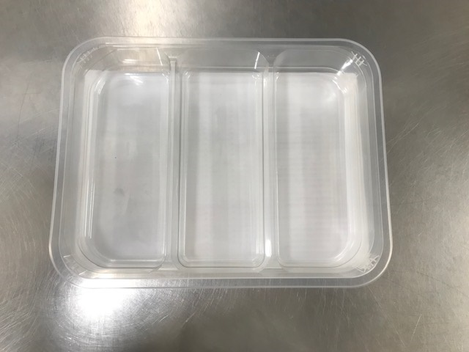 |  |  |  |  |  |  | 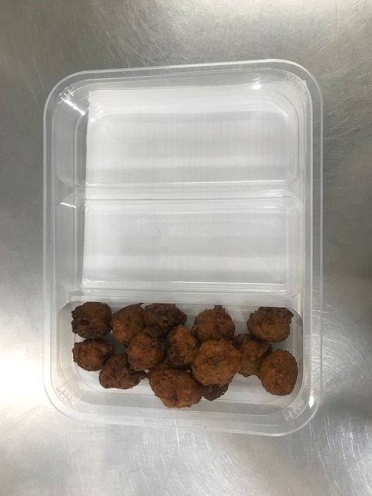

Tray: H3H 50 - CLEAR (PKNUT001-07) + PLASTIC TRAY DIVIDER (PKKIN001-06) |  |  |  |  |  |  | Onion Bhaji Bite 12G (GFF009-2R): 15 pieces
Film: PP340 AF 340mmx500m (PKPRO001-15)
STEP 3 |  |  |  |  |  |  | STEP 4
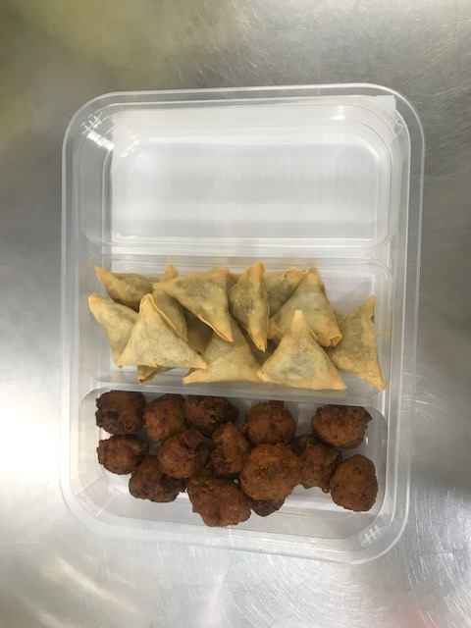 |  |  |  |  |  |  | 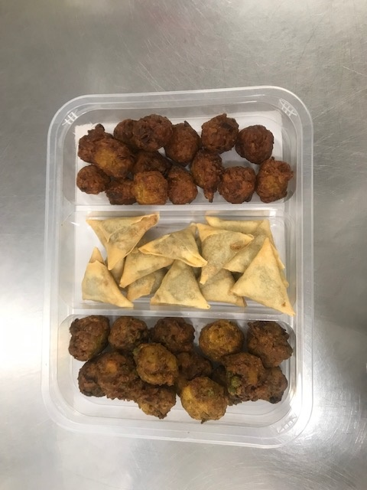

Vegetable Samosa Bite 15G (FUT001-03): 15 pieces |  |  |  |  |  |  | Vegetable Pakora Bite 12G (GFF013-3R): 15 pieces |  |  |  |  | TOTAL WEIGHT: 585G

ALLERGY ALERT: WHEAT

